redhat124
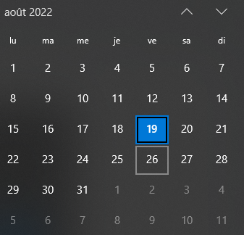
 | deadline1 failed |  |  | deadline retrie 2
Basic chapters | summay | LAB | stat | LAB | stat2
chp6: Managing local users and groups | 2021-10-09 | 2021-10-09 | ok | 2022-08-19
chp7: Controlling access to files | 2021-10-10 | 2021-10-10 | ok | 2022-08-20
ch13: Archiving and transforring files | 2021-10-11 | 2021-10-11 | ok | 2022-08-21
ch14: Installing and updating software packages | 2021-10-11 | 2021-10-12 | ok | 2022-08-22

system chapters:
chp8: Monitoring and managing linux processes | 2021-10-18 | 2021-10-18 | ok
chp9: Controlling services and deamons | 2021-10-18 | 2021-10-18 | ok
ch15: Accessing linux file systems | 2021-10-19 | 2021-10-19 | ok
ch11:Analysing and storing logs | 2021-10-19 | 2021-10-20 | ok

Network chapters :
ch10: Configuring and securing SSh | 2021-11-05 | 2021-11-05 | ok
ch12: Managing networks | 2021-11-05 | 2021-11-05 | ok

 | Exam EX200 | 2021-11-13 | (7j)
 |  | failed |  |  |  | o

RHCSA RHEL 8 - Practice Exam, by ko-fi | 2021-11-04 | ok
revision of all my notes |  | ok
EX200 |  | ok
dumps |  | ok
udemy rhcsa practice exam |  | ok

